Metadata
Metadata
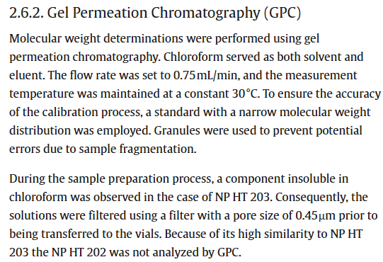

Abbreviations

RT | Real Time
ACC | Accelerated aging

Mn | Number Average Molecular Weight
Mw | Weight Average Molecular Weight
Mz | Z Average or Size Average Molecular Weight
Mv | Viscosity Average Molecular Weight
D | Polydispersity
[n] | Intrinsic Viscosity
Vp | Peak Elution Volume
Mp | Peak Molecular Weight
Fl | Fluorescence Detector

